ENTER DATA HERE
Appetitive

Experiment description : |  |  |  |  |  | CS : | Odour
 |  |  |  |  |  | US : | Saturated sucrose

Starvation : |  |  | Age : |  |  | Odour Volume : in 8 mL of mineral oil
Start |  |  | Date of crossing |  |  | OCT | ml
Duration |  |  | Approximate age |  |  | MCH | ml

Memory test : |  |  |  | Block stage (if shibire): temp in °C and approx % humidity
Immediate |  |  |  | Acquisition
4 hours |  |  |  | Storage
24 hours |  |  |  | Recall

Training : |  |  |  | Testing :
Date |  |  |  | Date
Start |  |  |  | Start
Stop |  |  |  | Stop

Notes:

N | Genotype | This odor is LEFT | Cond. Odor | Vial # | Odor | Count | Half PI | PI | genotype | Mean | SD | SEM
1 | Teq | OCT | OCT | 1a | OCT | 50 | 0.75438596491 |  | CS | 0.14506706363 | 0.16511305136 | 0.067407120949
 |  |  |  | 1b | MCH | 7 |  | -0.009599470374 | Teq | 0.093573575371 | 0.090278746863 | 0.036856144072
2 | Teq | OCT | MCH | 2a | OCT | 47 | -0.77358490566
 |  |  |  | 2b | MCH | 6
3 | Teq | MCH | MCH | 3a | OCT | 35 | 0.066666666667
 |  |  |  | 3b | MCH | 40 |  | 0.16825396825
4 | Teq | MCH | OCT | 4a | OCT | 40 | 0.26984126984
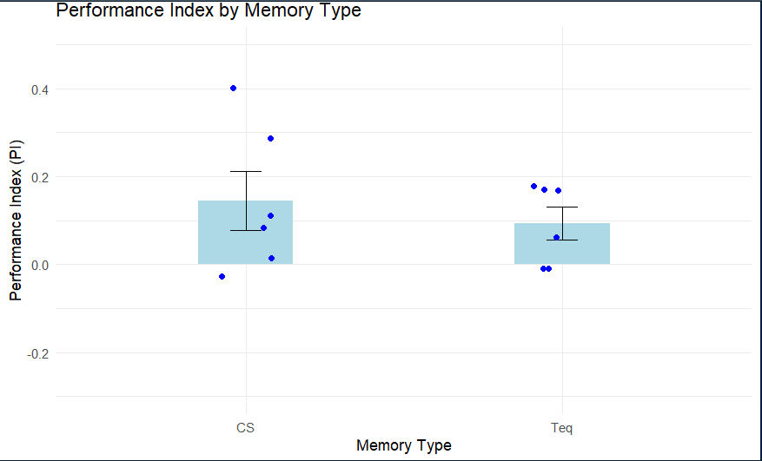
 |  |  |  | 4b | MCH | 23
5 | CS | OCT | OCT | 5a | OCT | 58 | 0.87096774194
 |  |  |  | 5b | MCH | 4 |  | 0.083632019116
6 | CS | OCT | MCH | 6a | OCT | 46 | -0.7037037037
 |  |  |  | 6b | MCH | 8
7 | CS | MCH | MCH | 7a | OCT | 24 | -0.14285714286
 |  |  |  | 7b | MCH | 18 |  | 0.1119047619
8 | CS | MCH | OCT | 8a | OCT | 41 | 0.36666666667
 |  |  |  | 8b | MCH | 19
9 | Teq | OCT | OCT | 9a | OCT | 54 | 0.66153846154
 |  |  |  | 9b | MCH | 11 |  | 0.061538461538
10 | Teq | OCT | MCH | 10a | OCT | 20 | -0.53846153846
 |  |  |  | 10b | MCH | 6
11 | Teq | MCH | MCH | 11a | OCT | 24 | 0.15789473684
 |  |  |  | 11b | MCH | 33 |  | 0.17894736842
12 | Teq | MCH | OCT | 12a | OCT | 27 | 0.2
 |  |  |  | 12b | MCH | 18
13 | CS | OCT | OCT | 13a | OCT | 71 | 0.71084337349
 |  |  |  | 13b | MCH | 12 |  | -0.025934245456
14 | CS | OCT | MCH | 14a | OCT | 52 | -0.76271186441
 |  |  |  | 14b | MCH | 7
15 | CS | MCH | MCH | 15a | OCT | 55 | -0.59420289855
 |  |  |  | 15b | MCH | 14 |  | 0.014219305442
16 | CS | MCH | OCT | 16a | OCT | 43 | 0.62264150943
 |  |  |  | 16b | MCH | 10
17 | Teq | OCT | OCT | 17a | OCT | 46 | 0.76923076923
 |  |  |  | 17b | MCH | 6 |  | 0.17032967033
18 | Teq | OCT | MCH | 18a | OCT | 45 | -0.42857142857
 |  |  |  | 18b | MCH | 18
19 | Teq | MCH | MCH | 19a | OCT | 28 | -0.47368421053
 |  |  |  | 19b | MCH | 10 |  | -0.0080285459411
20 | Teq | MCH | OCT | 20a | OCT | 43 | 0.45762711864
 |  |  |  | 20b | MCH | 16
21 | CS | OCT | OCT | 21a | OCT | 29 | 0.61111111111
 |  |  |  | 21b | MCH | 7 |  | 0.28632478632
22 | CS | OCT | MCH | 22a | OCT | 27 | -0.038461538462
 |  |  |  | 22b | MCH | 25
23 | CS | MCH | MCH | 23a | OCT | 26 | 0.23529411765
 |  |  |  | 23b | MCH | 42 |  | 0.40025575448
24 | CS | MCH | OCT | 24a | OCT | 36 | 0.5652173913
 |  |  |  | 24b | MCH | 10
25 |  | OCT | OCT | 25a | OCT |  | #DIV/0!
 |  |  |  | 25b | MCH |  |  | #DIV/0!
26 |  | OCT | MCH | 26a | OCT |  | #DIV/0!
 |  |  |  | 26b | MCH
27 |  | MCH | MCH | 27a | OCT |  | #DIV/0!
 |  |  |  | 27b | MCH |  |  | #DIV/0!
28 |  | MCH | OCT | 28a | OCT |  | #DIV/0!
 |  |  |  | 28b | MCH
29 |  | OCT | OCT | 29a | OCT |  | #DIV/0!
 |  |  |  | 29b | MCH |  |  | #DIV/0!
30 |  | OCT | MCH | 30a | OCT |  | #DIV/0!
 |  |  |  | 30b | MCH
31 |  | MCH | MCH | 31a | OCT |  | #DIV/0!
 |  |  |  | 31b | MCH |  |  | #DIV/0!
32 |  | MCH | OCT | 32a | OCT |  | #DIV/0!
 |  |  |  | 32b | MCH

